Less03_A2
EE417 Advanced Digital Logic with Verilog HDL
L3 Assignment 2: Weighted2421ToBCDConverter
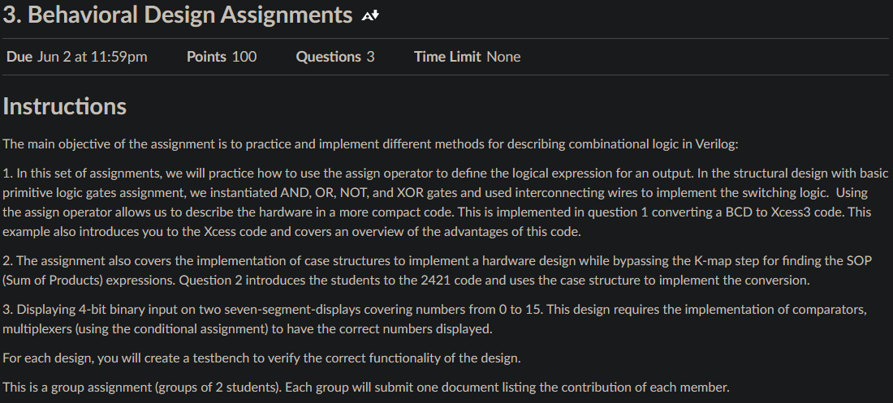

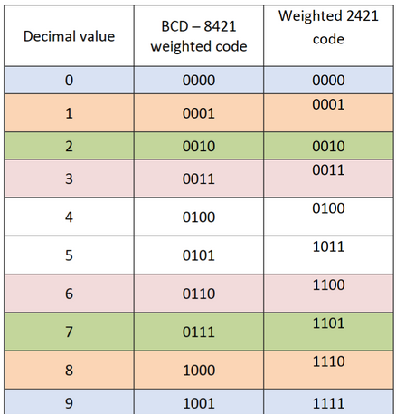
Truth Table for BCD to Weighted 2421 Code |  |  |  |  |  |  |  | Pinout for BCD to Weighted 2421 Code
 |  |  |  |  |  |  |  | B3 | BCD_2_Weighted 2421 converter | W3
 |  |  |  | BDC | Weighted2421 | Diff |  | B2 |  | W2
 |  |  |  | 0 | 0 | 0 |  | B1 |  | W1
 |  |  |  | 1 | 1 | 0 |  | B0 |  | W0
 |  |  |  | 2 | 2 | 0
 |  |  |  | 3 | 3 | 0
 |  |  |  | 4 | 4 | 0
 |  |  |  | 5 | 11 | -6 |  | Pinout for Weighted 2421 to BCD 8421Code
 |  |  |  | 6 | 12 | -6 |  | W3 | Weighted 2421_2_BCD converter | B3
 |  |  |  | 7 | 13 | -6 |  | W2 |  | B2
 |  |  |  | 8 | 14 | -6 |  | W1 |  | B1
 |  |  |  | 9 | 15 | -6 |  | W0 |  | B0

Pattern Recognition |  |  |  |  | dec | B | W
It is noticed that for all decimal values 4 and under that W=B |  |  |  |  | <5 | W | B
For decimal value 5, W=B+6 |  |  |  |  | >=5 | W-6 | B+6
For decimal 6, W = single shift left of B, or W = B + 6
For decimal 7, W = B + 6
For decimal 8, W = B + 6
For decimal 9, W = B + 6
Module code
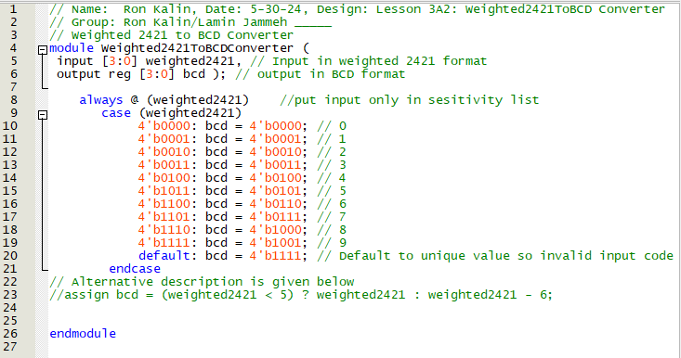
// Name: Ron Kalin, Date: 5-30-24, Design: Lesson 3A2: Weighted2421ToBCD Converter
// Group: Ron Kalin/Lamin Jammeh _____
// Weighted 2421 to BCD Converter
module Weighted2421ToBCDConverter (
input [3:0] weighted2421, // Input in weighted 2421 format
output reg [3:0] bcd ); // output in BCD format

always @ (weighted2421) | //put input only in sesitivity list
case (weighted2421)
4'b0000: bcd = 4'b0000; // 0
4'b0001: bcd = 4'b0001; // 1
4'b0010: bcd = 4'b0010; // 2
4'b0011: bcd = 4'b0011; // 3
4'b0100: bcd = 4'b0100; // 4
4'b1011: bcd = 4'b0101; // 5
4'b1100: bcd = 4'b0110; // 6
4'b1101: bcd = 4'b0111; // 7
4'b1110: bcd = 4'b1000; // 8
4'b1111: bcd = 4'b1001; // 9
default: bcd = 4'b1111; // Default to unique value so invalid input code can be recognized
endcase
// Alternative description is given below
//assign bcd = (weighted2421 < 5) ? weighted2421 : weighted2421 - 6;

endmodule

Division of Responsibility
Assignment | Map/ Equations/Code | TestBench
1 | Kalin | Jammeh
2 | Kalin | Jammeh
3 | ? | ?

Netlist RTL Viewer
 |  |  | Using Assign Statement (disregarded and commented out)

 |  |  | Using Case statement (chosen)
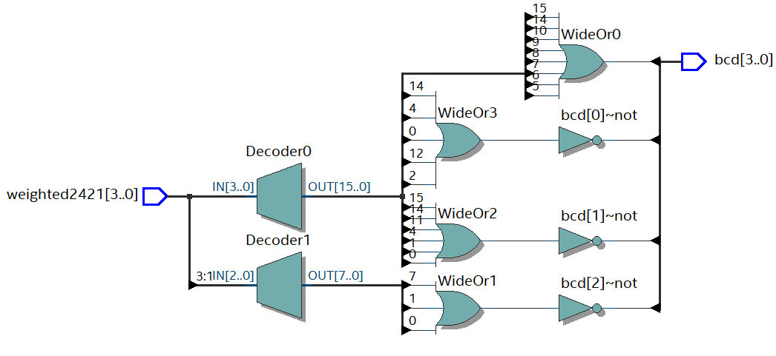

testbench Weighted2421toBCD_tb
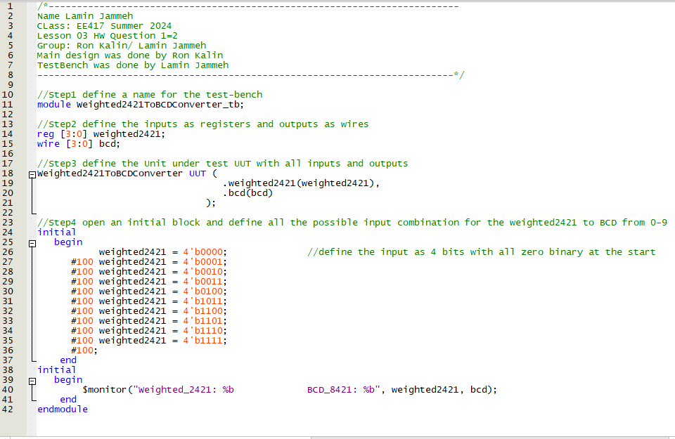

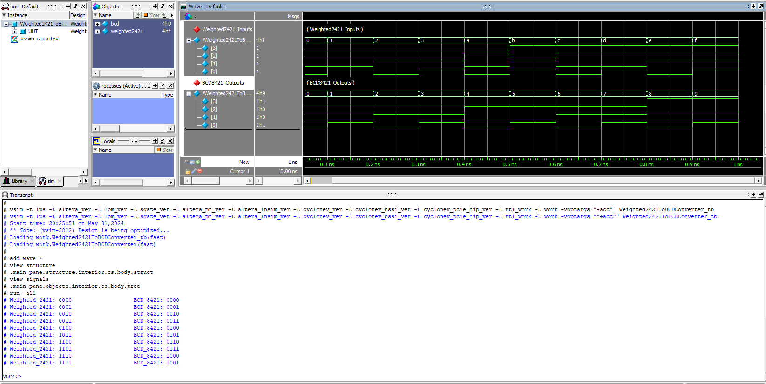
Simulation Results

The simulation results verify the table
Weighted2421 | BDC
0 | 0
1 | 1
2 | 2
3 | 3
4 | 4
11 | 5
12 | 6
13 | 7
14 | 8
15 | 9

